Sheet1
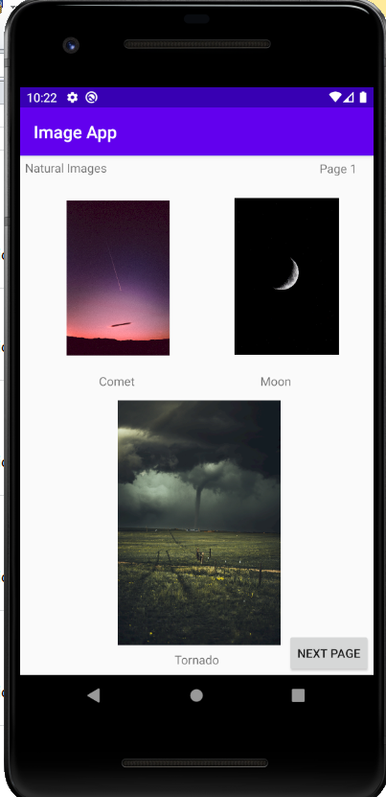
Testing Image App
Test Case ID | Test Title | Description | Test Case Step | Expected Result | Actual Result | Status
1 | checking Text View Natural Images | check Natural Images Text view is Showing Or NOt | Open image app application in mobile | natural images text view is showing | Its showing | Pass
2 | checking Text View page 1 | Check page 1 Text view is showing Or not | Open image app application in mobile | page 1 text view is showing | Its showing | Pass
3 | checking Text View comet | Check comet Text view is showing Or not | Open image app application in mobile | comet text view is showing | Its showing | Pass
4 | checking Text View moon | Check moon Text view is showing Or not | Open image app application in mobile | moon text view is showing | Its showing | Pass
5 | checking Text View tornado | Check tornado Text view is showing Or not | Open image app application in mobile | tornado text view is showing | Its showing | Pass
6 | checking comet image | check comet image is showing or not | Open image app application in mobile | comet image is showing | Its showing | Pass
7 | checking moon image | check moon image is showing or not | Open image app application in mobile | moon image is showing | Its showing | Pass
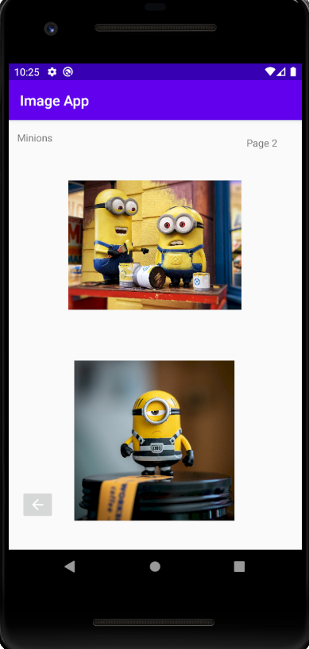
8 | checking tornado image | check tornado image is showing or not | Open image app application in mobile | tornado image is showing | Its showing | Pass
9 | checking next page button functionality | testing next page button functionality | Open image app application in mobile
 |  |  | click on Next Page | page 2 need to appear | page 2 appeared | pass
10 | checking text view minions | check minion textview is showing or not | 1.Open image app application in mobile
 |  |  | 2.click on next page | page 2 need to appear | page 2 appeared | pass
 |  |  | 3.check minion textview is showing or not | minion text view is showing | Its showing | pass
11 | checking textview page 2 | check page2 text view is showing or not | 1.Open image app application in mobile
 |  |  | 2.click on next page | page 2 need to appear | page 2 appeared | pass
 |  |  | 3.check page2 text view is showing or not | page 2 is showing | Its showing | pass
12 | chec king minions image 1 | check minions image is showing or not | 1.Open image app application in mobile
 |  |  | 2.click on next page | page 2 need to appear | page 2 appeared | Pass
 |  |  | 3.check minions image is showing or not | minion image is showing | Its showing | Pass
13 | checking minions image 2 | check minions image is showing or not | 1.Open image app application in mobile
 |  |  | 2.click on next page | page 2 need to appear | page 2 appeared | Pass
 |  |  | 3.check minions image is showing or not | minion image 2is showing | Its showing | Pass
14 | checking functionality of backbutton | testing functionality of backbutton in page 2 | 1.Open image app application in mobile
 |  |  | 2.click on next page | page 2 need to appear | page 2 appeared | Pass
 |  |  | 3.click on back button | page 1 need to appear | page 1 appeared | pass

